Updated Premium Calc
Gross Net Premium | Commission Type | Max Cap Commission | Total Commissions | Gross Premium | Categories | Members | Premium
6824.7 | HSB | 0.00% | 27.50% | 9413.3793103 | Category A | 5 | 43439.59
5509.8 | HSB | 0.00% | 27.50% | 7599.7241379 | Category B | 8 | 60798.00000 | CRN No | TEST-ABC-1224-1-00022
5509.8 | HSB | 0.00% | 27.50% | 7599.7241379 | Category C | 0 | 0.00000
5509.8 | HSB | 0.00% | 27.50% | 7599.7241379 | Bashma | 13 | 481
5509.8 | HSB | 0.00% | 27.50% | 7599.7241379 | ICP | 0 | 0
6824.7 | HSB | 0.00% | 27.50% | 9413.3793103 | VAT | 5% | 5235.9
6824.7 | HSB | 0.00% | 27.50% | 9413.3793103 | Total |  | 109954.52
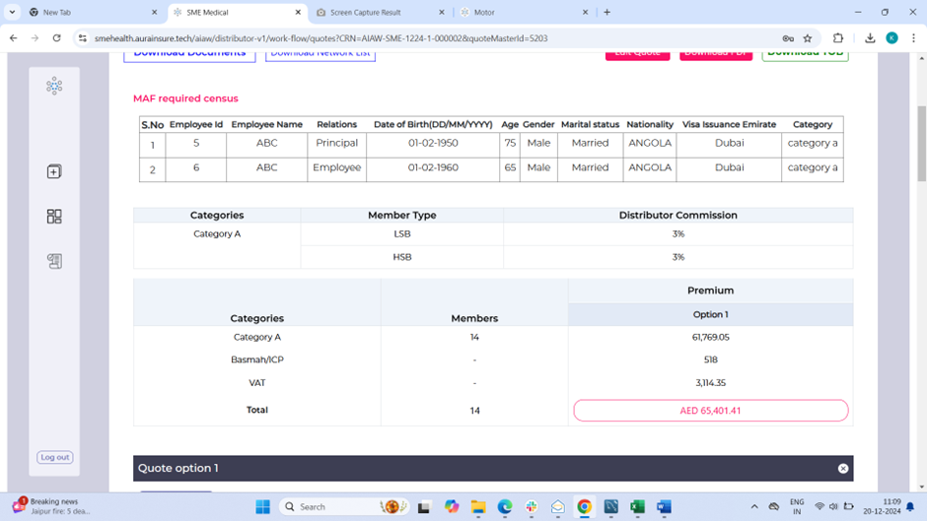
5509.8 | HSB | 0.00% | 27.50% | 7599.7241379
5509.8 | HSB | 0.00% | 27.50% | 7599.7241379
5509.8 | HSB | 0.00% | 27.50% | 7599.7241379
5509.8 | HSB | 0.00% | 27.50% | 7599.7241379
5509.8 | HSB | 0.00% | 27.50% | 7599.7241379
5509.8 | HSB | 0.00% | 27.50% | 7599.7241379
#VALUE! | 0 | 0.00% | #VALUE! | #VALUE!
#VALUE! | 0 | 0.00% | #VALUE! | #VALUE!
#VALUE! | 0 | 0.00% | #VALUE! | #VALUE!
#VALUE! | 0 | 0.00% | #VALUE! | #VALUE!
#VALUE! | 0 | 0.00% | #VALUE! | #VALUE!
#VALUE! | 0 | 0.00% | #VALUE! | #VALUE!
#VALUE! | 0 | 0.00% | #VALUE! | #VALUE!
#VALUE! | 0 | 0.00% | #VALUE! | #VALUE!
#VALUE! | 0 | 0.00% | #VALUE! | #VALUE!
#VALUE! | 0 | 0.00% | #VALUE! | #VALUE!
#VALUE! | 0 | 0.00% | #VALUE! | #VALUE!
#VALUE! | 0 | 0.00% | #VALUE! | #VALUE!
#VALUE! | 0 | 0.00% | #VALUE! | #VALUE!
#VALUE! | 0 | 0.00% | #VALUE! | #VALUE!
#VALUE! | 0 | 0.00% | #VALUE! | #VALUE!
#VALUE! | 0 | 0.00% | #VALUE! | #VALUE!
#VALUE! | 0 | 0.00% | #VALUE! | #VALUE!
#VALUE! | 0 | 0.00% | #VALUE! | #VALUE!
#VALUE! | 0 | 0.00% | #VALUE! | #VALUE!
#VALUE! | 0 | 0.00% | #VALUE! | #VALUE!
#VALUE! | 0 | 0.00% | #VALUE! | #VALUE!
#VALUE! | 0 | 0.00% | #VALUE! | #VALUE!
#VALUE! | 0 | 0.00% | #VALUE! | #VALUE!
#VALUE! | 0 | 0.00% | #VALUE! | #VALUE!
#VALUE! | 0 | 0.00% | #VALUE! | #VALUE!
#VALUE! | 0 | 0.00% | #VALUE! | #VALUE!
#VALUE! | 0 | 0.00% | #VALUE! | #VALUE!
#VALUE! | 0 | 0.00% | #VALUE! | #VALUE!
...

